Sheet1
Part No. | Name of the part | Level | Quantity per set (Qps) | Photo | Part type | α Angle | β Angle | α+β | Thickness t (mm) | Size or length(mm) | Code | Holding time (H) | Code | Insertion time (I) | Total time (H+I)*Qps
13 | Package box | 1 | 1 | 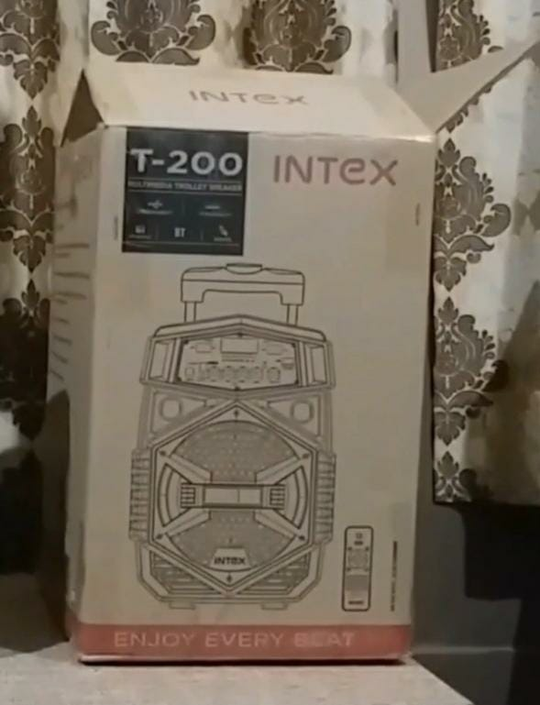 | Non Standard | 360 | 180 | 540 | 285 | 470 | 83 | 5.6 | 30 | 2 | 7.6
12 | EPS | 1 | 2 | 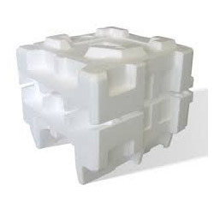 | Non Standard | 360 | 360 | 720 | 140 | 460 | 30 | 1.95 | 98 | 9 | 21.9
11 | Polybag | 1 | 1 | 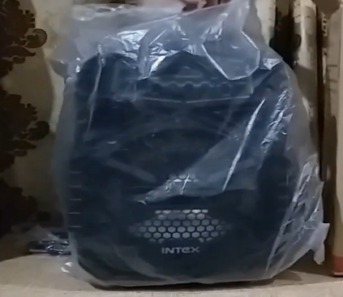 | Non Standard | 360 | 180 | 540 | 0.5 | 640 | 84 | 6.75 | 30 | 2 | 8.75
10 | Phillip's head screw | 1 | 38 |  | standard | 360 | 0 | 360 | 4.2 | 12 | 68 | 8 | 92 | 5 | 494
9 | Back Cover | 1 | 1 | 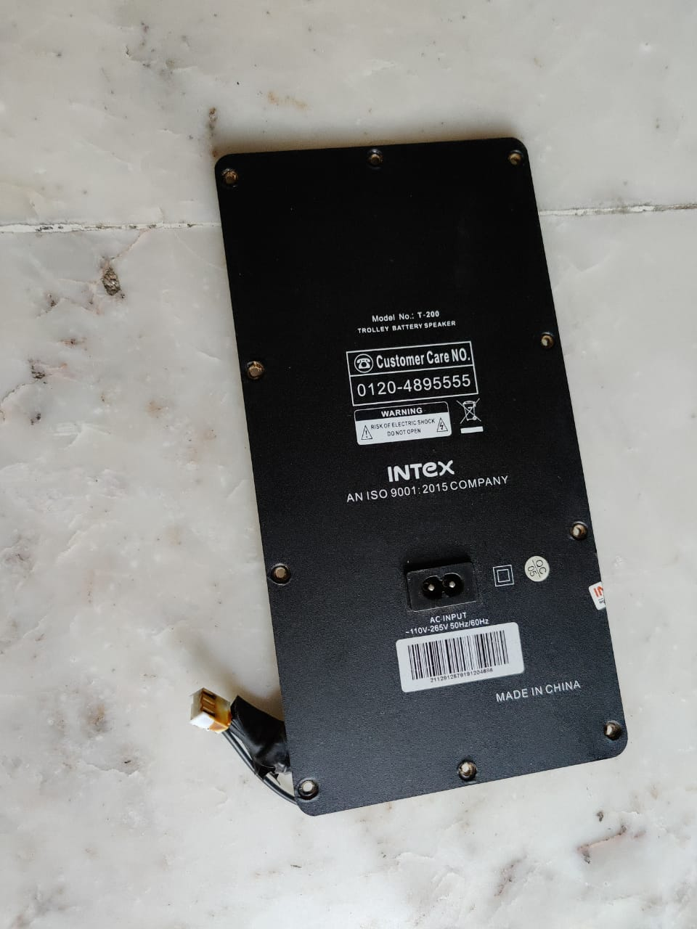 | Non Standard | 360 | 360 | 720 | 5 | 262 | 30 | 1.95 | 92 | 5 | 6.95
8 | Power switch circuit | 1 | 1 |  | Non Standard | 360 | 360 | 720 | 20 | 55 | 35 | 2.73 | 98 | 9 | 11.73
7 | Main body assembly | 1 | 1 | 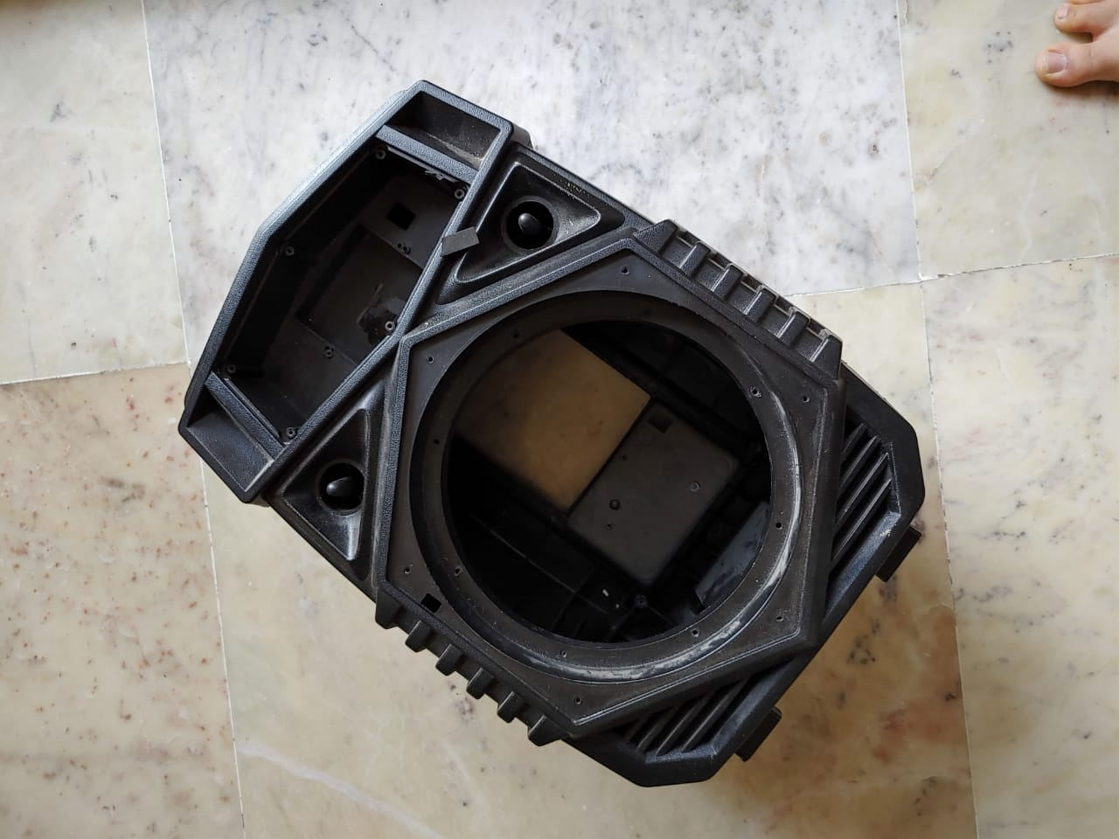 | Non Standard | 360 | 360 | 720 | 190 | 430 | 91 | 3 | 00 | 1.5 | 4.5
6 | Speaker assembly | 1 | 1 | 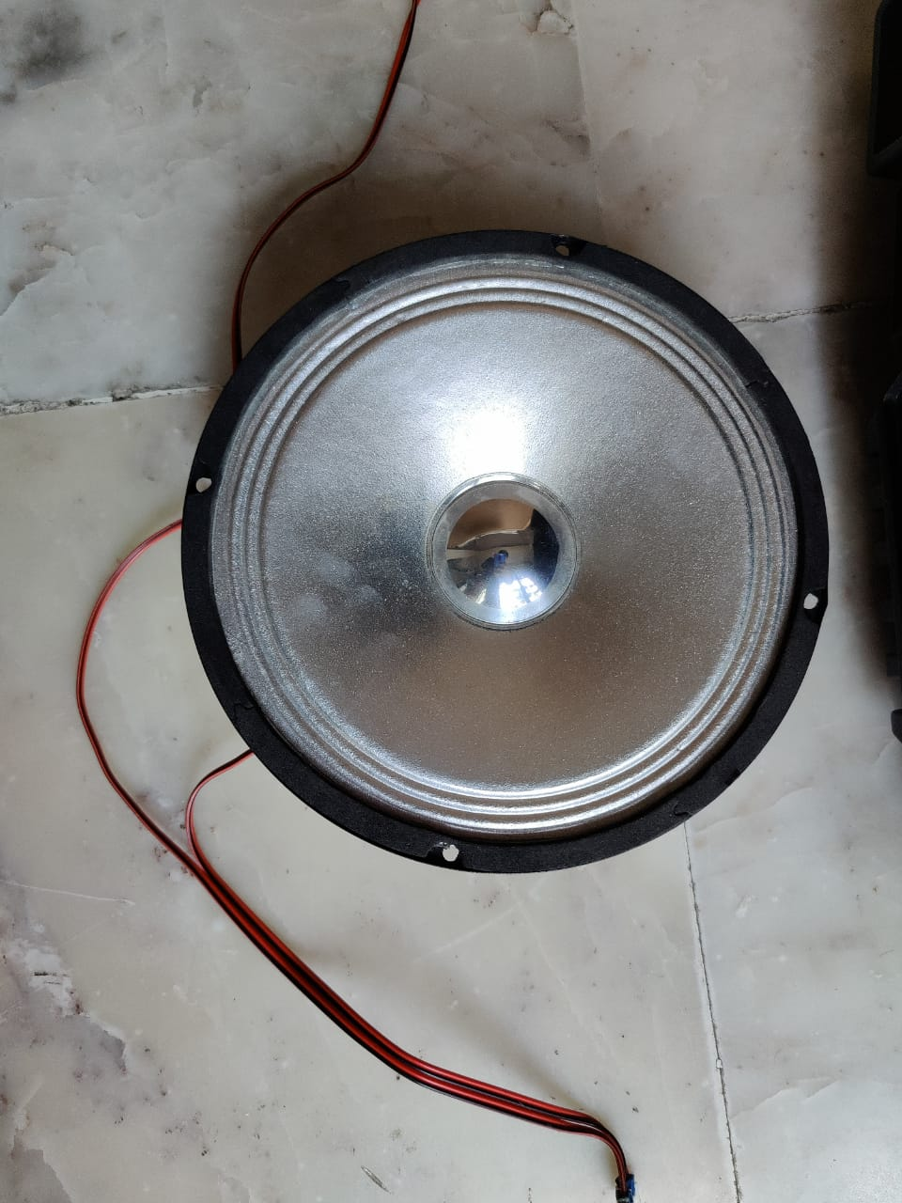 | Non Standard | 360 | 90 | 450 | 80 | 205 | 15 | 2.25 | 92 | 5 | 7.25
5 | Li-ion battery(2000Mah) | 1 | 1 | 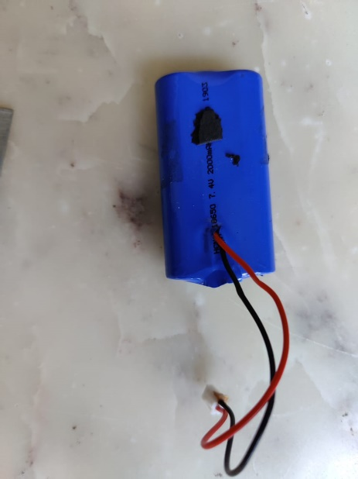 | standard | 180 | 180 | 360 | 15 | 65 | 10 | 1.5 | 98 | 9 | 10.5
4 | Metal strip | 1 | 1 |  | Non Standard | 180 | 180 | 360 | 1 | 100 | 13 | 2.06 | 92 | 5 | 7.06
4.3 | Option controller PCB | 1 | 1 | 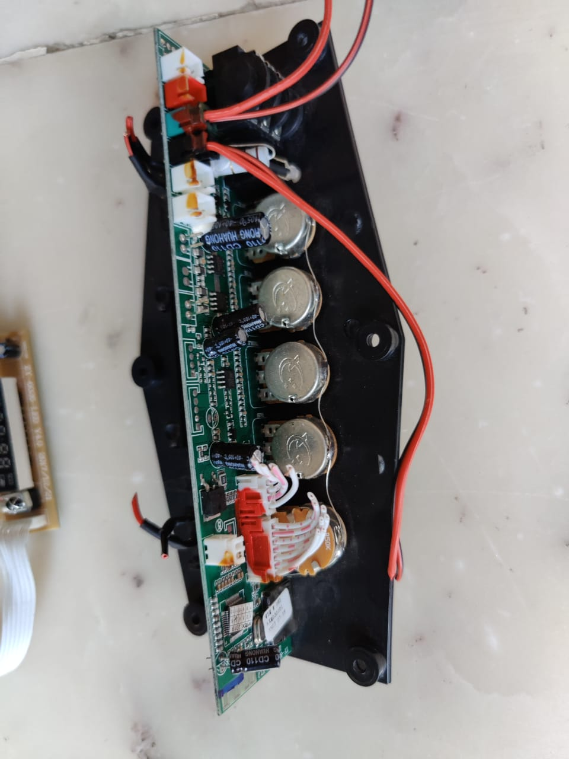 | Non Standard | 360 | 360 | 720 | 20 | 164 | 35 | 2.73 | 98 | 9 | 11.73
4.2 | Buttons | 2 | 1 | 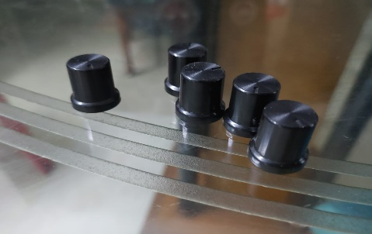 | Non Standard | 360 | 0 | 360 | 16 | 14 | 10 | 1.5 | 92 | 5 | 6.5
4.1 | PCB controller frame | 2 | 1 | 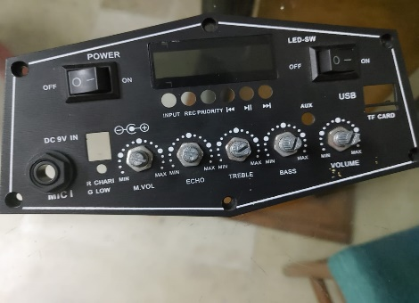 | Non Standard | 360 | 360 | 720 | 20 | 180 | 35 | 2.73 | 98 | 9 | 11.73
3 | PCB circuit board | 2 | 1 | 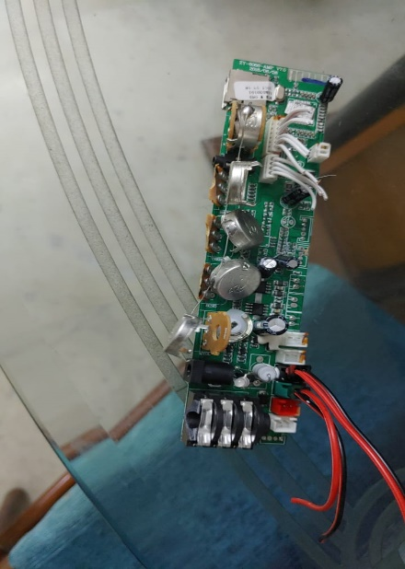 | Non Standard | 360 | 360 | 720 | 20 | 164 | 35 | 2.73 | 98 | 9 | 11.73
2 | Secondary circuit board (SCB) | 1 | 1 | 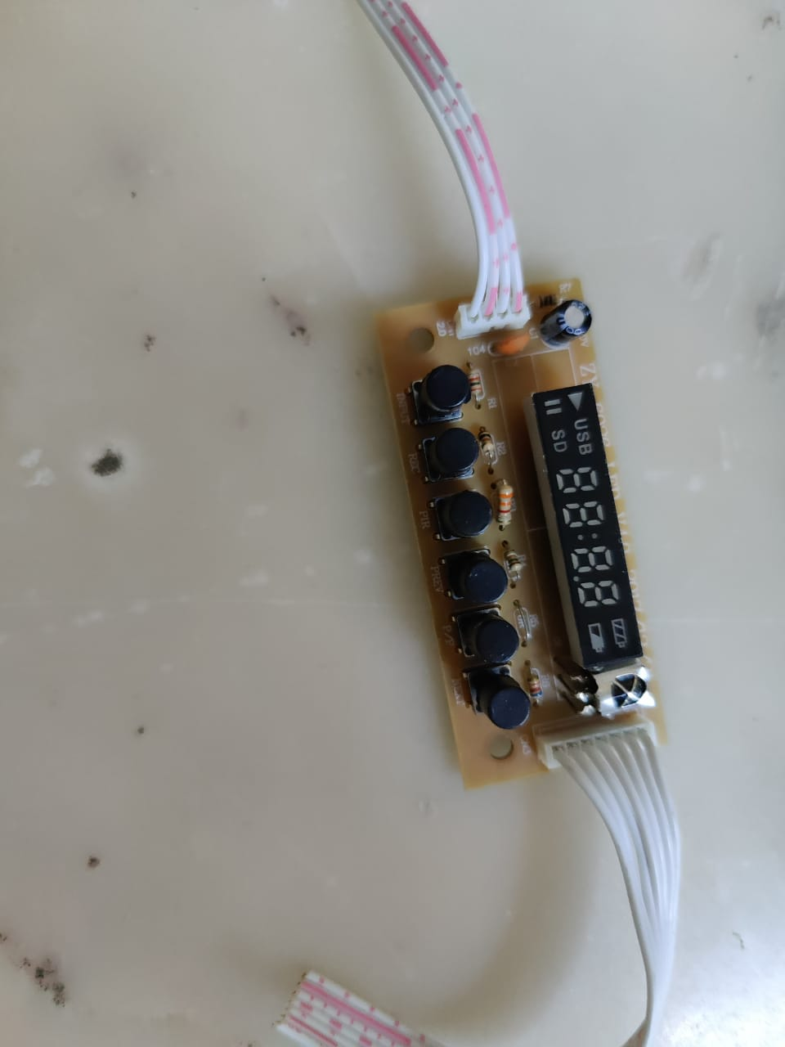 | Non Standard | 360 | 360 | 720 | 12 | 66 | 35 | 2.73 | 98 | 9 | 11.73
1 | LED circuit | 1 | 1 |  | Non Standard | 360 | 180 | 540 | 1 | 55 | 28 | 3.18 | 02 | 2.5 | 5.68
 | Front cover | 1 | 1 | 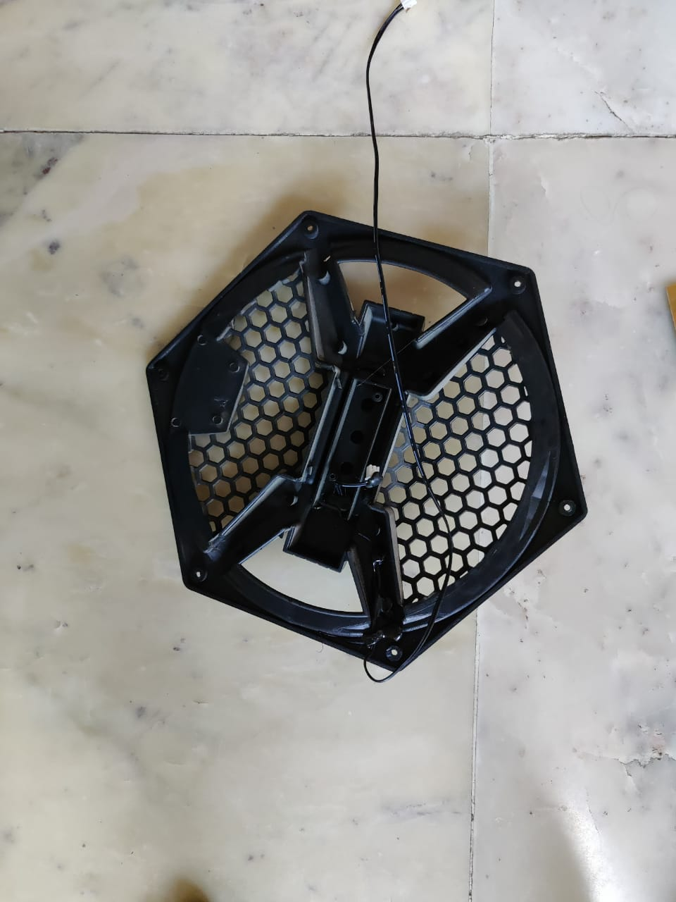 | Non Standard | 360 | 180 | 540 | 20 | 250 | 20 | 1.8 | 92 | 5 | 6.8
 |  |  |  |  |  |  |  |  |  |  |  |  | TOTAL TIME (in seconds) |  | 646.14

